Sheet1
Bug Tracker

BUG ID (Autogenerated) | Type | TestCase-ID | Feature | Description | Priority | Screenshots & Attachments | Status | Owner | Found in version | Created At
Bug-001 | BUg |  | LOGIN page | 1.Launch google and enter url and valid username and pasword then click login 2.When enter into login page 3.click on my info function 4.Click on the perosnal details,click on edit is not working | High |  |  | Sarath Kumar | 1.1 | 07-07-2023/6:34pm
Bug-002 | BUg |  | LOGIN page | 1. Launch google and enter url and valid username and pasword then click login 2.When enter into login page 3. click on my info function 4.Click on the personal details click on ADD 5. click on choose file and upload .pdf file and upload is not working | High |  |  | Sarath Kumar | 1.1 | 07-07-2023/6:37pm
BUG-003 | Bug |  | LOGIN page | 1.launch google and enter url and valid username and pasword then click login 2.When enter into login page 3. click on my info function 4.Click on the personal details click on ADD 5. click on choose file and upload .exe file | MEDIUM | 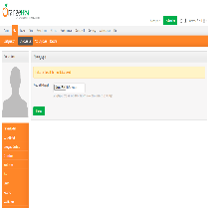 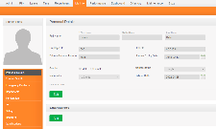 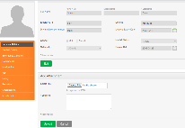 |  | Sarath Kumar | 1.1 | 07-07-2023/6:40pm
Bug-004 | Bug |  | LOGIN page | 1.Launch google and enter url and valid username and pasword then click login 2.click on PIM | High | 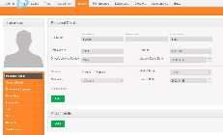 |  | Sarath Kumar | 1.1 | 07-07-2023/6:45pm

